TRUSSARDI
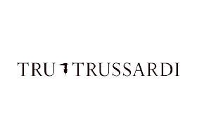

 | I.T-SHIRT | T-SHIRT
Immagini | Articolo | Descrizione | S | M | L | XL | XXL |  |  |  |  |  | Totale | WS | RTL
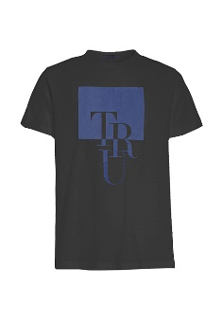 | 32T001531T004448K299 | MAN KNITTED T-SHIRT - BLACK |  | 1 | 1 | 6 |  |  |  |  |  |  | 8 | € 38.00 | € 95.00
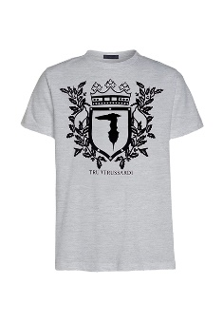 | 32T001561T004448E150 | MAN KNITTED T-SHIRT - GREY | 13 | 5 | 10 | 3 | 1 |  |  |  |  |  | 32 | € 38.00 | € 95.00
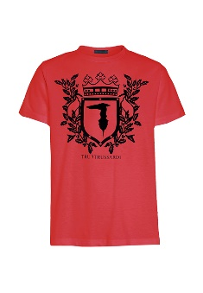 | 32T001561T004448R150 | MAN KNITTED T-SHIRT - RED |  | 1 | 1 | 1 | 2 |  |  |  |  |  | 5 | € 38.00 | € 95.00
 | 32T001621T004448U290 | MAN KNITTED T-SHIRT - NAVY BLUE | 73 | 167 | 158 | 119 | 72 |  |  |  |  |  | 589 | € 38.00 | € 95.00
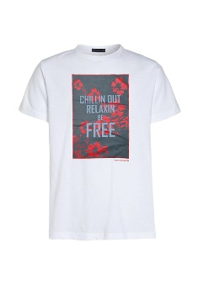 | 32T001621T004448W001 | MAN KNITTED T-SHIRT - WHITE | 72 | 147 | 125 | 97 | 61 |  |  |  |  |  | 502 | € 38.00 | € 95.00
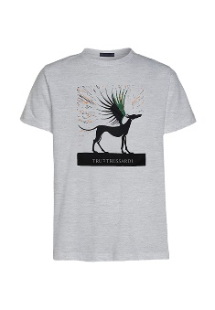 | 32T001631T004448E150 | MAN KNITTED T-SHIRT - GREY | 10 | 1 |  |  |  |  |  |  |  |  | 11 | € 38.00 | € 95.00
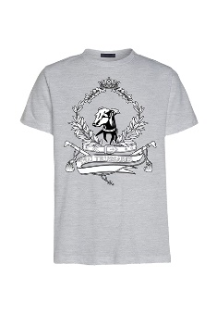 | 32T001641T004448E150 | MAN KNITTED T-SHIRT - GREY | 15 | 6 | 1 |  |  |  |  |  |  |  | 22 | € 38.00 | € 95.00
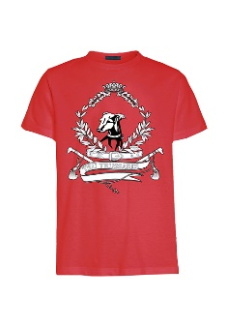 | 32T001641T004448R150 | MAN KNITTED T-SHIRT - RED | 7 | 3 | 2 | 1 |  |  |  |  |  |  | 13 | € 38.00 | € 95.00
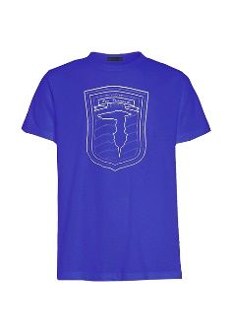 | 32T001651T004448U250 | MAN KNITTED T-SHIRT - BLUETTE | 6 |  |  | 2 |  |  |  |  |  |  | 8 | € 38.00 | € 95.00
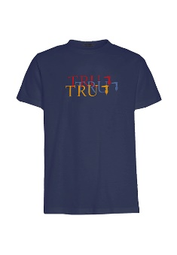 | 32T001661T004448U290 | MAN KNITTED T-SHIRT - NAVY BLUE |  |  | 17 | 5 |  |  |  |  |  |  | 22 | € 38.00 | € 95.00
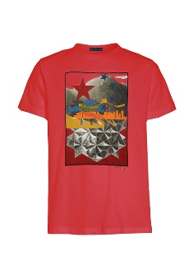 | 32T001671T004448R150 | MAN KNITTED T-SHIRT - RED | 32 | 27 | 13 | 2 |  |  |  |  |  |  | 74 | € 38.00 | € 95.00
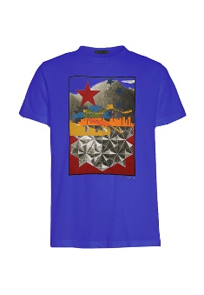 | 32T001671T004448U250 | MAN KNITTED T-SHIRT - BLUETTE |  | 10 | 15 | 20 | 15 |  |  |  |  |  | 60 | € 38.00 | € 95.00
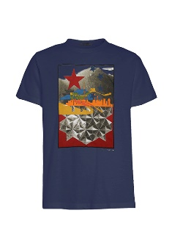 | 32T001671T004448U290 | MAN KNITTED T-SHIRT - NAVY BLUE |  | 119 | 111 | 99 | 47 |  |  |  |  |  | 376 | € 38.00 | € 95.00
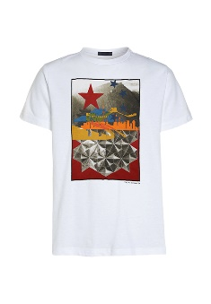 | 32T001671T004448W001 | MAN KNITTED T-SHIRT - WHITE | 33 | 67 | 77 | 35 | 24 |  |  |  |  |  | 236 | € 38.00 | € 95.00
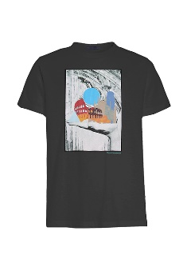 | 32T001681T004448K299 | MAN KNITTED T-SHIRT - BLACK | 91 | 115 | 113 | 46 | 18 |  |  |  |  |  | 383 | € 38.00 | € 95.00
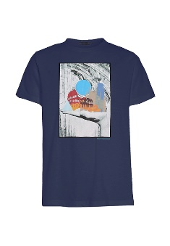 | 32T001681T004448U290 | MAN KNITTED T-SHIRT - NAVY BLUE | 44 | 115 | 113 | 78 | 48 |  |  |  |  |  | 398 | € 38.00 | € 95.00
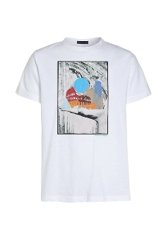 | 32T001681T004448W001 | MAN KNITTED T-SHIRT - WHITE | 147 | 186 | 188 | 114 | 63 |  |  |  |  |  | 698 | € 38.00 | € 95.00
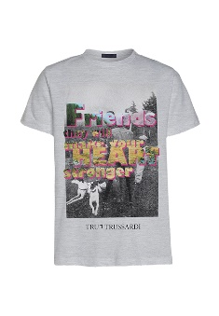 | 32T001701T004448E150 | MAN KNITTED T-SHIRT - GREY | 18 | 14 | 1 | 7 | 6 |  |  |  |  |  | 46 | € 38.00 | € 95.00
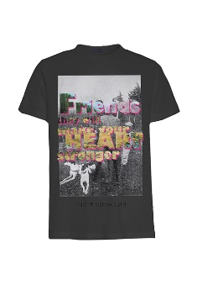 | 32T001701T004448K299 | MAN KNITTED T-SHIRT - BLACK | 112 | 166 | 159 | 92 | 41 |  |  |  |  |  | 570 | € 38.00 | € 95.00
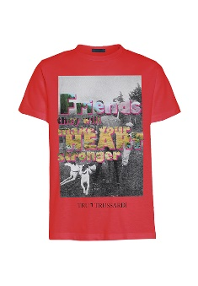 | 32T001701T004448R150 | MAN KNITTED T-SHIRT - RED | 23 | 34 | 35 | 19 | 10 |  |  |  |  |  | 121 | € 38.00 | € 95.00
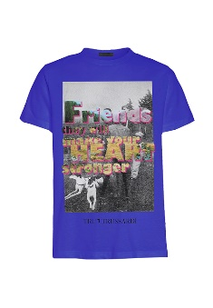 | 32T001701T004448U250 | MAN KNITTED T-SHIRT - BLUETTE | 23 | 45 | 57 | 23 | 9 |  |  |  |  |  | 157 | € 38.00 | € 95.00
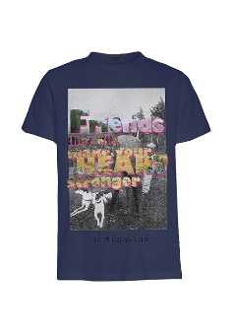 | 32T001701T004448U290 | MAN KNITTED T-SHIRT - NAVY BLUE | 169 | 260 | 257 | 165 | 67 |  |  |  |  |  | 918 | € 38.00 | € 95.00
 | 32T001701T004448W001 | MAN KNITTED T-SHIRT - WHITE | 175 | 226 | 241 | 149 | 71 |  |  |  |  |  | 862 | € 38.00 | € 95.00
 |  | Totale T-SHIRT | 1070 | 1725 | 1719 | 1087 | 562 |  |  |  |  |  | 6163

 | L.SCARPE | L.SCARPE
Immagini | Articolo | Descrizione | 36 | 37 | 38 | 39 | 40 | 41 | 42 | 43 | 44 | 45 | Totale | WS | RTL
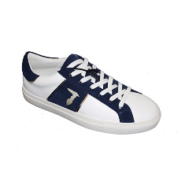 | 27A000009Y099998W765 | SNEAKERS - WHITE-GOLD+BLUE |  |  |  |  |  | 2 | 2 | 1 | 1 |  | 6 | € 89.00 | € 249.00
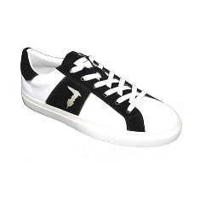 | 27A000009Y099998W766 | SNEAKERS - WHITE-GOLD+BLACK |  |  |  |  | 2 | 3 | 3 |  | 1 | 4 | 13 | € 89.00 | € 249.00
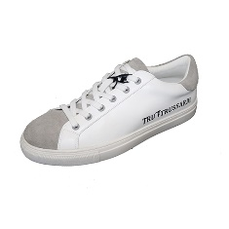 | 27A000019Y099998E694 | SNEAKERS - WHITE+GREY |  |  |  |  | 4 | 12 | 25 | 19 | 4 |  | 64 | € 89.00 | € 249.00
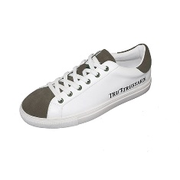 | 27A000019Y099998W620 | SNEAKERS - WHITE+GREEN |  |  |  |  | 9 | 24 | 39 | 16 | 21 | 3 | 112 | € 89.00 | € 249.00
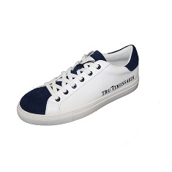 | 27A000019Y099998W656 | SNEAKERS - WHITE+BLU |  |  |  |  | 4 | 17 | 23 | 21 | 12 | 2 | 79 | € 89.00 | € 249.00
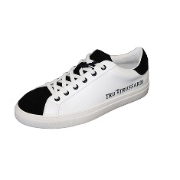 | 27A000019Y099998W750 | SNEAKERS - WHITE+BLACK |  |  |  |  | 4 | 10 | 12 | 16 | 9 | 1 | 52 | € 89.00 | € 249.00
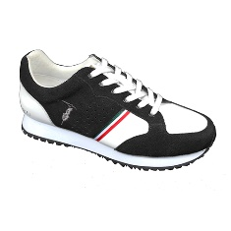 | 27A000029Y099998K308 | SNEAKERS - BLACK+WHITE |  |  |  |  | 2 | 1 |  | 5 | 2 |  | 10 | € 89.00 | € 249.00
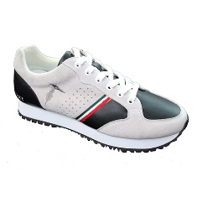 | 27A000029Y099998W750 | SNEAKERS - WHITE+BLACK |  |  |  |  |  | 1 |  |  | 2 | 1 | 4 | € 89.00 | € 249.00
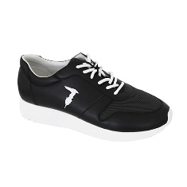 | 27A000039Y099998K705 | SNEAKERS - BLACK+DARK GREY |  |  |  |  | 4 | 9 | 19 | 12 | 7 | 1 | 52 | € 89.00 | € 249.00
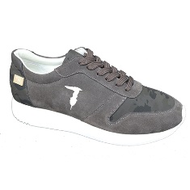 | 27A000049Y099998G820 | SNEAKERS - GREY+ARMY MILITARY GREY |  |  |  |  | 8 | 25 | 36 | 20 | 19 | 6 | 114 | € 89.00 | € 249.00
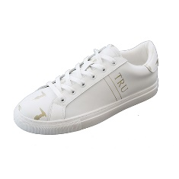 | 27A000069Y099998W626 | SNEAKERS - WHITE+GOLD |  |  |  |  | 9 | 16 | 26 | 26 | 15 | 3 | 95 | € 89.00 | € 249.00
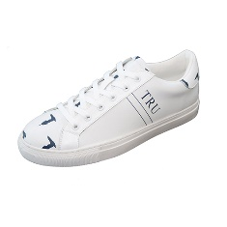 | 27A000069Y099998W656 | SNEAKERS - WHITE+BLUE |  |  |  |  | 10 | 18 | 31 | 32 | 20 | 10 | 121 | € 89.00 | € 249.00
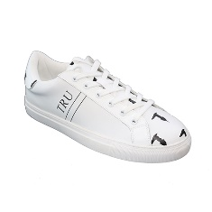 | 27A000069Y099998W750 | SNEAKERS - WHITE+BLACK |  |  |  |  | 24 | 50 | 75 | 72 | 50 | 25 | 296 | € 89.00 | € 249.00
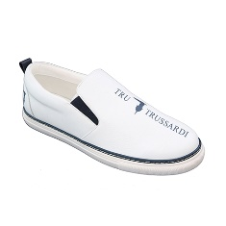 | 27A000079Y099999W656 | SNEAKERS - WHITE+BLUE |  |  |  |  | 14 | 35 | 50 | 48 | 28 | 15 | 190 | € 89.00 | € 249.00
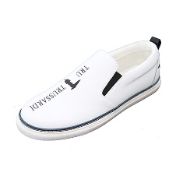 | 27A000079Y099999W750 | SNEAKERS - WHITE+BLACK |  |  |  |  | 16 | 32 | 54 | 48 | 30 | 15 | 195 | € 89.00 | € 249.00
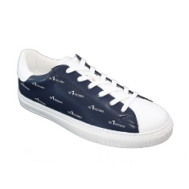 | 27A000089Y099998U607 | SNEAKERS - BLUE+WHITE |  |  |  |  |  | 1 |  |  |  |  | 1 | € 89.00 | € 249.00
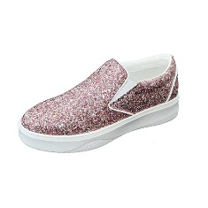 | 28A000009Y099998P100 | SNEAKERS - PINK | 20 | 82 | 77 | 43 | 21 |  |  |  |  |  | 243 | € 89.00 | € 249.00
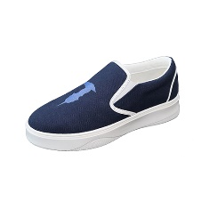 | 28A000019Y099998U280 | SNEAKERS - BLUE | 24 | 87 | 86 | 51 | 25 |  |  |  |  |  | 273 | € 89.00 | € 249.00
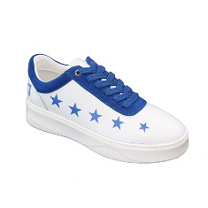 | 28A000039Y099998W656 | SNEAKERS - WHITE+BLUE | 26 | 86 | 79 | 49 | 17 |  |  |  |  |  | 257 | € 89.00 | € 249.00
 |  | Totale L.SCARPE | 70 | 255 | 242 | 143 | 173 | 256 | 395 | 336 | 221 | 86 | 2177

 |  |  |  |  |  |  |  |  |  |  |  |  | 8340

